Elements
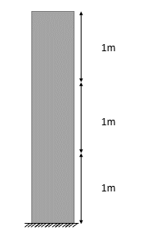
ycoords | xcoords
0 | 0
1 | 0
2 | 0
3 | 0

Section Concrete
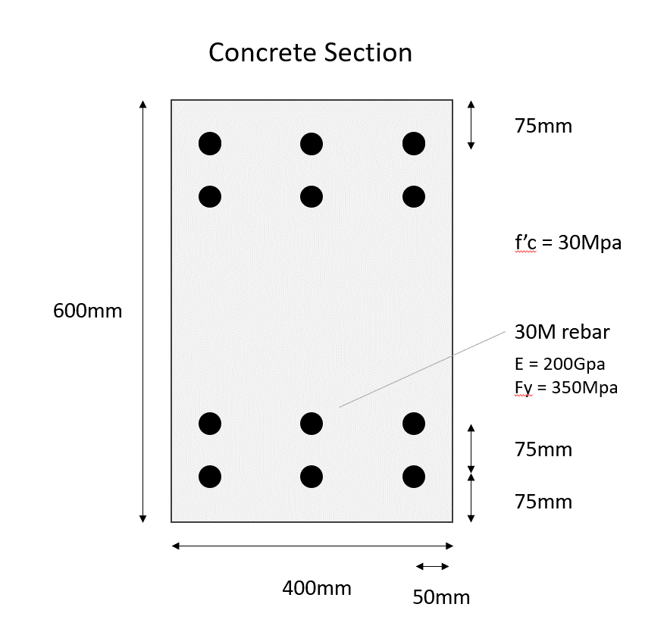
ycoords
75 | -225
150 | -150
450 | 150
525 | 225

zcoords
50 | -150
200 | 0
350 | 150

